formulae
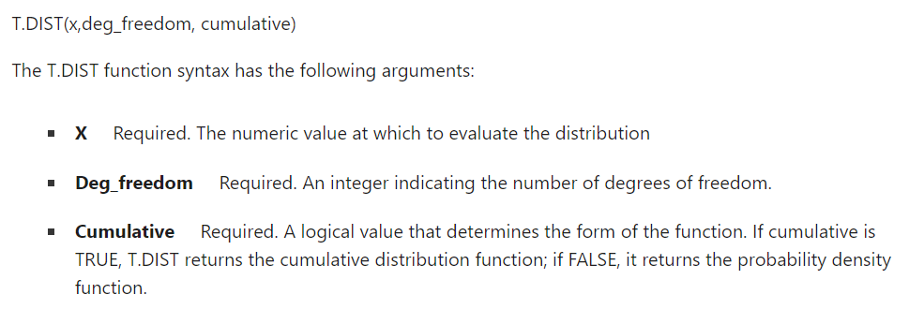

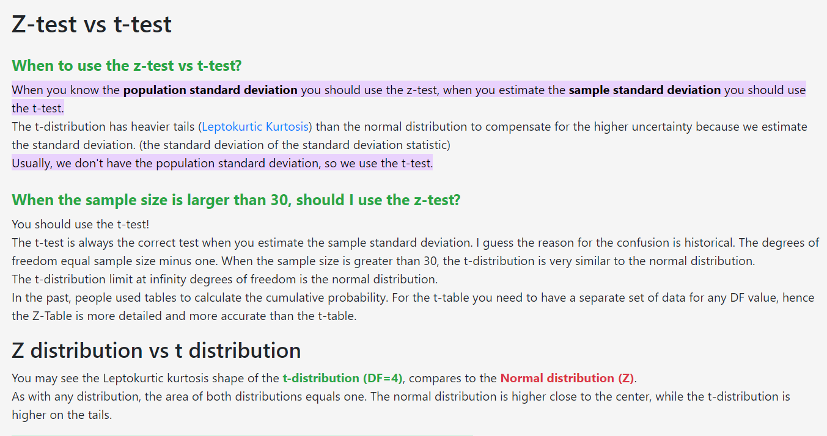
 |  |  |  |  |  | 1 | 1 | 0.11529215046
 |  |  |  |  |  | 2 | 2 | 1.124098467
 |  |  |  |  |  | 3 | 3 | 5.3394677182
 |  |  |  |  |  | 4 | 4 | 16.463358798
 |  | 2600 | 160 |  |  | 5 | 5 | 37.042557295
 |  |  | 15 |  |  | 6 | 5 | 5.0644121302
 |  |  |  |  |  | 7 | 5 | 10.761875777
 |  |  |  |  |  | 8 | 5 | 14.797579193
 |  |  |  |  |  | 9 | 5 | 14.797579193
 |  |  |  |  |  | 10 | 5 | 11.468123874
 |  | sigma y= | 1050 |  |  | 11 | 5 | 7.1675774216
 |  |  |  | 256.52586976 |  | 12 | 5 | 3.7117811647
 |  |  |  | 343.47413024 |  | 13 | 5 | 1.6239042596
N= | 1000 | μ= | 300 |  |  | 14 | 5 | 0.60896409734
p= | 0.3 | σ= | 14.491376746 |  |  | 15 | 5 | 0.19791333164
X1= | 95 | Z1= | -14.146343967 | alpha1= | 9.8361033832E-46 | 16 | 5 | 0.056225378305
X2= | 320 | Z2= | 1.3801311187 | alpha2= | 0.91622686126 | 17 | 5 | 0.014056344576
 |  | <X1= | 9.8361033832E-43 | alpha1= | 9.8361033832E-46 | 18 | 5 | 0.0031086146659
 |  | >X2= | 83.773138744 | 1-aplha2= | 0.083773138744 | 19 | 5 | 0.00061062073795
 |  | [X1. X2]= | 916.22686126 | alpha2-alpha1 | 0.91622686126 | 20 | 5 | 0.00010685862914
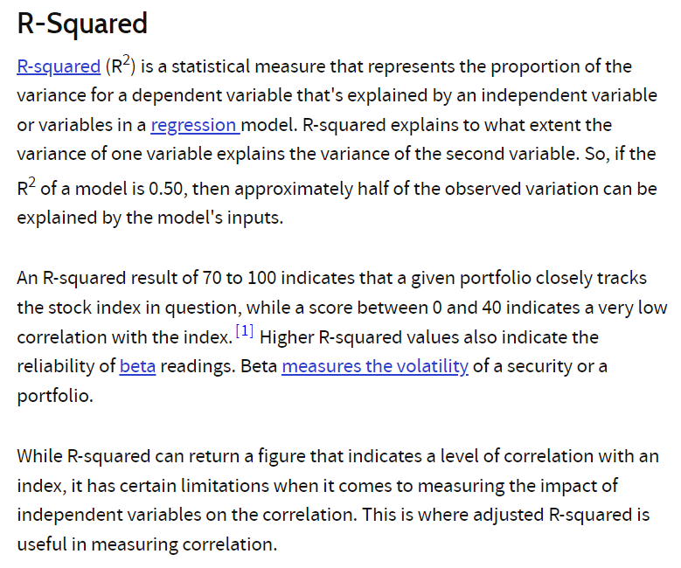
 |  |  |  |  |  | 21 | 5 | 1.6696660803E-05
 |  |  |  |  |  | 22 | 5 | 2.3326217299E-06
 |  |  |  |  |  | 23 | 5 | 2.9157771623E-07
 |  |  |  |  |  | 24 | 5 | 3.2610665631E-08
 |  |  |  |  |  | 25 | 5 | 3.2610665631E-09
 |  |  |  |  |  | 26 | 5 | 2.9116665742E-10
 |  |  |  |  |  | 27 | 5 | 2.3160984113E-11
 |  |  |  |  |  | 28 | 5 | 1.6363738776E-12
 |  |  |  |  |  | 29 | 5 | 1.0227336735E-13
 |  |  |  |  |  | 30 | 5 | 5.6250352041E-15
 |  |  |  |  |  | 31 | 5 | 2.7043438481E-16
 |  |  |  |  |  | 32 | 5 | 1.1268099367E-17
 |  |  |  |  |  | 33 | 5 | 4.0243212026E-19
 |  |  |  |  |  | 34 | 5 | 1.2142348456E-20
 |  |  |  |  |  | 35 | 5 | 3.035587114E-22
 |  |  |  |  |  | 36 | 5 | 6.1201353105E-24
 |  |  |  |  |  | 37 | 5 | 9.5627114227E-26
 |  |  |  |  |  | 38 | 5 | 1.0866717526E-27
 |  |  |  |  |  | 39 | 5 | 7.9902334749E-30
 |  |  |  |  |  | 40 | 5 | 2.8536548125E-32
 |  |  |  |  |  |  |  | 5214.3444818

